Sheet1
# | Item Type | Designator | Description | Footprint | Manufacturer Part Number | Manufacturer | Alternate Part Number | LCSC Part Number | Value | Quantity | Remarks
1 | Capacitor | C1 | CAP ALUM POLY 100UF 20% 25V SMD | Custom | 25SVPF100M | Panasonic | - | C136279 | 100uF | 1
2 | Capacitor | C2, C4, C7, C10, C12, C14, C15, C16, C17, C21, C22, C23, C24, C25, C26, C27, C28, C29, C30, C31, C32, C33, C34, C35, C36, C37, C38, C39, C40, C41 | CAP CER 0.1UF 50V X5R 0603 | Cap-0603 | CC0603KRX5R9BB104 | Yageo |  | C110022 | 100nF | 30
3 | Capacitor | C3, C9 | 47uF 50V 66mA@120Hz ±20% SMD,D6.3xL7.7mm Aluminum Electrolytic Capacitors - SMD ROHS | Custom | RVT1H470M0607 | ROQANG |  | C72523 | 47uF | 2
4 | Tantalum Capacitor | C5 | CAP TANT 22UF 10% 16V 1411 | Case-B | TAJB226K016RNJ | Kyocera AVX |  | C8020 | 22uF | 1
5 | Capacitor | C6, C11 | CAP CER 22UF 10V X5R 0603 | Cap-0603 | CC0603MRX5R6BB226 | Yageo |  | C109447 | 22uF | 2
6 | Capacitor | C8, C19 | CAP CER 1UF 50V X5R 0603 | Cap-0603 | CL10A105KB8NNNC | Samsung |  | C15849 | 1uF | 2
7 | Capacitor | C13, C18 | CAP CER 4.7UF 16V X5R 0603 | Cap-0603 | CC0603KRX5R7BB475 | Yageo |  | C277476 | 4.7uF | 2
8 | Capacitor | C20 | CAP CER 4700PF 1KV X7R 1206 | Cap-1206 | CC1206KKX7RCBB472 | Yageo |  | C107198 | 4.7nF | 1
9 | (TVS/ESD) | D1 | 50A 600W 12V 7.78V 7V SMB Electrostatic and Surge Protection (TVS/ESD) ROHS | SMB_ | SMBJ7.0A | Slkor |  | C3019967 | - | 1
10 | (TVS/ESD) | D2 | 18.5A 32.4V 22.2V 20V DO-214AA Electrostatic and Surge Protection (TVS/ESD) ROHS | SMB_ | SMBJ20A | Slkor |  | C2760886 |  | 1
11 |  | D3 | 40V 500mV@2A 2A SMA(DO-214AC) Schottky Barrier Diodes (SBD) ROHS | SMA | SS24A | Guangdong Hottech |  | C2886579 |  | 1
12 | Diode | D4 | DIODE SCHOTTKY 40V 250MA SOD323 | SOD-323 | NSR0240HT1G | ON Semiconductor |  | C152519 |  | 1
13 | TVS/ESD | D5 | TVS DIODE 3.6VWM 8.4VC 3X2SON | X2-SON-3(0.6x1.3). | ESD122DMYR | Texas Instruments |  | C1975871 |  | 1
14 | (TVS/ESD) | D6, D7, D8, D9 | 20.1A 19.9V 13.3V 12V SMA(DO-214AC) Electrostatic and Surge Protection (TVS/ESD) ROHS | SMA Bi Directional | SMAJ12CA | MDD |  | C110042 |  | 4
15 | Diode | D10, D11, D12, D13, D14, D15, D16 | DIODE GEN PURP 100V 300MA SOD123 | SOD-123 | 1N4148W-7-F | Diodes |  | C83528 |  | 7
16 | Fuse | F1 | 1A Plugin Fuses ROHS | Custom | 2010T1A250V | Walter Elec |  | C354900 |  | 1
17 | Fuse | F2 | 6V 1A 50A 1W -40℃~+85℃ 2A 9mΩ 0.5s 80mΩ 0603 Resettable Fuses ROHS | fuse-0603 | BSMD0603L-100 | BHFUSE |  | C2757929 |  | 1
18 | Fuse | F3, F4, F5, F6 | 9V 200mA 100A 500mA 0805 Resettable Fuses ROHS | Fuse-0805 | SMD0805P020TF | RUILON |  | C20976 |  | 4
19 | Ferrite Bead | FB1 | FERRITE BEAD 120 OHM 0603 1LN | IND-0603 (1608 Metric) | BLM18SG121TN1D | Murata |  | C113030 |  | 1
20 | Terminal Block | J1 | 1x2P Barrier Block 2 1 16mm -40℃~+105℃ 76A 1kV Black 6~14 Straight pin 16 Plugin,P=16mm Barrier Terminal Blocks ROHS | Custom | KF88SA-16.0-2P | CiXi KaiFeng Electronics |  | C707749 |  | 1
21 | Terminal Block | J2, J4, J15 | 1x2P Midfoot Barrier Block 2 1 13mm 40A -40℃~+105℃ 750V Black 10~18 Straight pin 6 Plugin,P=13mm Barrier Terminal Blocks ROHS | Custom | KF78C-13.0-2P | CiXi KaiFeng Electronics |  | C707721 |  | 3
22 | Terminal | J3 | M4 Plugin PCB Welding Terminal ROHS | Custom | T44001 | XFCN |  | C481447 |  | 1
23 | FFC/FPC Connector | J5 | SMD,P=0.5mm,Surface Mount，Right Angle | Custom | AFC07-S40ECA-00 | Jushuo |  | C262648 |  | 1
24 | Connector | J6 | 1x6P SH 1 1mm 6 SMD,P=1mm Wire To Board / Wire To Wire Connector ROHS | Custom | C145963 | BOOMELE |  | C145963 |  | 1
25 | USB Connector | J7 | 5A 1 16P Female Type-C SMD USB Connectors ROHS | Custom | TYPE-C-31-M-12 | Korean Hroparts Elec |  | C165948 |  | 1
26 | Male Header | J8, J10 | Gold 250V 3A Straight Square Pins 2.5mm 2P 260℃ 6mm -40℃~+105℃ 3mm 2.54mm Plugin Black Brass 1x2P Plugin,P=2.54mm Pin Headers ROHS | HDR1X2_ | X6511WV-02H-C60D30 | XKB |  | C706874 |  | 2
27 | Terminal Blocks | J9, J11 | TERM BLK 4P SIDE ENT 5.08MM PCB | Custom | 1715747 | Phoenix Contact |  | C5443561 |  | 2 |  | 货少
28 | Terminal Block | J12 | 1x2P 18A -40℃~+105℃ 250V Black 12~30 Straight pin 5.08mm 2.5 1 2 Plugin,P=5.08mm Screw terminal ROHS | Custom | DB128L-5.08-2P-BK-S | DIBO |  | C430601 |  | 1
29 | Terminal Block | J13, J14, J16, J18, J19 | 1x2P Midfoot Barrier Block 2 1 7.62mm 24A -40℃~+105℃ 250V Black 12~22 Straight pin 2.5 Plugin,P=7.62mm Barrier Terminal Blocks ROHS | Custom | KF28C-7.62-2P | CiXi KaiFeng Electronics |  | C707609 |  | 5
30 | Terminal Block | J17 | 1x2P Midfoot Barrier Block 2 1 10mm -40℃~+105℃ 32A 750V Black 12~22 Straight pin 4 Plugin,P=10mm Barrier Terminal Blocks ROHS | Custom | KF58C-10.0-2P | CiXi KaiFeng Electronics |  | C707693 |  | 1
31 | Relays | K1, K4, K7 | 250V@AC 5V 15A SPDT (1 Form C) Plugin,15.6x19.2mm Power Relays ROHS | Custom | SRD-05VDC-SL-C | Ningbo Songle Relay |  | C35449 |  | 3
32 | Relay | K2, K5 | 5V 10A 20A@14VAC SPDT (1 Form C) 5 Plugin,12.4x16mm Power Relays ROHS | Custom | SRA-05VDC-CL | Ningbo Songle Relay |  | C99666 |  | 2
33 | Relay | K3, K6 | 250V@AC 5V 30A Normal Open:1A(SPST-Normal Open) Plugin,27.6x32mm Power Relays ROHS | Custom | SLA-05VDC-SL-A | Ningbo Songle Relay |  | C250645 |  | 2
34 | Inductor | L1 | Fixed Ind 4.7UH 2.8A 105MOHM SMD | Custom | MWSA0402S-4R7MT | Sunlord |  | C408337 | 4.7uH | 1
35 | Mosfet | Q1, Q2 | 40V 100mW 100@10mA,1V 200mA 300MHz 300mV@50mA,5mA NPN -55℃~+150℃@(Tj) SOT-723 Bipolar Transistors - BJT ROHS | SOT-723 | MMBT3904M | TECH PUBLIC |  | C2923360 | - | 2
36 | Mosfet | Q3, Q4, Q5, Q6, Q7, Q8, Q9 | TRANS NPN 40V 0.6A SMD SOT23-3 | SOT-23 | MMBT2222A-7-F | Diodes |  | C94515 | - | 7
37 | Resistor | R1, R7, R24, R25, R26, R27, R28, R29, R30, R31, R32, R33, R34, R37, R39, R42, R43, R46, R47, R49, R51, R52 | RES SMD 10K Ohm 1% 1/10W 0603 | Res-0603 | RC0603FR-0710KL | Yageo |  | C98220 | 10K | 22
38 | Resistor | R2, R3, R23, R35, R36 | RES 4.7K OHM 1% 1/16W 0402 | Res-0402 | RC0402FR-074K7L | Yageo |  | C105871 | 4.7K | 5
39 | Resistor | R4, R5 | RES 5.1K OHM 1% 1/16W 0402 | Res-0402 | RC0402FR-075K1L | Yageo |  | C105872 | 5.1K | 2
40 | Resistor | R6 | RES SMD 1M OHM 1% 1/10W 0603 | Res-0603 | RC0603FR-071ML | Yageo |  | C105578 | 1M | 1
41 | Resistor | R8 | RES 6.2 OHM 5% 1/4W 1206 | Res-1206 | FRC1206J6R2 TS | FOJAN |  | C163357 | 6.2R | 1
42 | Resistor | R9, R16 | RES 120 OHM 1% 1/10W 0603 | Res-0603 | RC0603FR-07120RL | Yageo |  | C114640 | 120R | 2
43 | Resistor | R10, R11, R12, R13, R14, R15, R17, R18, R19, R20, R21, R22 | RES SMD 4.7K OHM 1% 1/10W 0603 | Res-0603 | RC0603FR-074K7L | Yageo |  | C99782 | 4.7K | 12
44 | Resistor | R38, R40, R41, R44, R45, R48, R50 | RES 470 OHM 1% 1/10W 0603 | Res-0603 | RC0603FR-07470RL | Yageo |  | C114669 | 470R | 7
45 | Switch | SW1, SW2 | No NO 50mA 4.5mm 100000 260gf 12V -30℃~+85℃ 4.5mm 4.3mm Black Round Button Brick nogging SPST SMD Tactile Switches ROHS | Custom | TS-1109S-C-B | XKB Connectivity |  | C381037 | - | 2
46 | Tactile Switche | SW3, SW4, SW5, SW6, SW7, SW8 | SWITCH TACTILE SPST-NO 0.05A 24V | Custom | B3F-4055 | Omron |  | C84931 |  | 6
47 | Module | U1 | Power supply module ROHS | Custom | LHE10-20D0512-02 | LZTEC |  | C19192878 |  | 1
48 | IC | U2 | SOT-223 Linear Voltage Regulators (LDO) ROHS | SOT- 223 | AMS1117-3.3 | GUOXIN JIAPIN SEMICONDUCTOR |  | C2992570 |  | 1
49 | IC | U3 | RF TXRX MOD BLUETOOTH U.FL SMD | 41-SMD UFL Module | ESP32-S3-WROOM-1U-N16R8 | Espressif Systems |  | C3013946 |  | 1
50 | IC | U4 | IC LED DRV RGLTR PWM 1.8A SC70-5 | SC70-5 | TPS61169DCKR | Texas Instruments |  | C71045 |  | 1
51 | IC | U5, U6 | SOP-8 RS-485/RS-422 ICs ROHS | SOP-8 | SP3485EIM/TR | HGSEMI |  | C519086 |  | 2
52 | IC | U7 | IC ADC 16BIT SIGMA-DELTA 10VSSOP | VSSOP-10 | ADS1115IDGSR | Texas Instruments |  | C37593 |  | 1
53 | IC | U8 | IC TRANSLTR BIDIRECTIONAL 8VSSOP | VSSOP-8(3.1x2.1) | TXS0102DCUR | Texas Instruments |  | C53434 |  | 1
54 | IC | U9 | IC XPNDR 1.7MHZ I2C 28SSOP | SSOP-28-208mil | MCP23017T-E/SS | Microchip |  | C558584 |  | 1
55 | Varistors | VR1 | 775V 405V 300V 470V Plugin Varistors ROHS | Custom | V300LT20AP | Littelfuse |  | C179067 |  | 1
56 | Peripheral | Push Button | Double Push Button Swith with Light on Off Start Stop Momentary Buttons 22mm Waterproof for Electrical Powerboard Panel Box 10A | - | LA155-A | - | - | - | - | 1 | Aliexpress | 原厂说这款不防水，链接描述错误，报价如右图所示一开一闭（高低双键 带灯），电压220V | 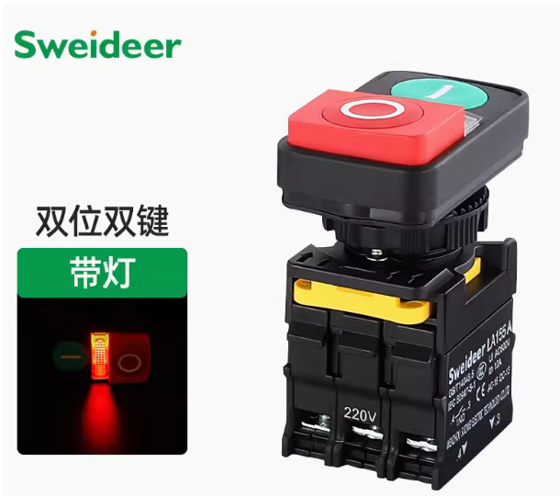 | ok
57 | Peripheral | Contactor | CHINT NXC-50 Contactor 50A 220V Normally open normally closed Kunlun series products | - | NXC-50 | - | - | - | - | 1 | Aliexpress
58 | Peripheral | Breaker | - | - | GYM9H | - | - | - | - | 1 | Aliexpress
71 | Peripheral | Oxygen Sensor | - | - | Industrial Optical DO Meter Dissolved Oxygen Sensor in Water | - | - | - | - | 1 | Alibaba | 报价型号RS-N01-2-20-VW，荧光法溶解氧，485（ModBus 协议）输出，量程 0-20mg/L |  | 规格书确认OK
60 | Peripheral | PH Sensor | - | - | Industrial RS485 Online Water ORP PH Sensor | - | - | - | - | 1 | Alibaba | 报价型号RS-N01-2-201-VW，工业 PH 变送器，485（ModBus 协议）输出，常规复合电极，无温补，不带显示 |  | 规格书确认OK
61 | Peripheral | DC Pump | 1.2 GPM Pump | - | 7A108 | Bayite | - | - | - | 3 | Aliexpress | 按客户要求改为60W的， 国产 | 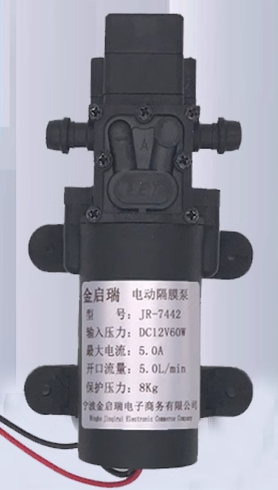 | ok
62 | Peripheral | Button Caps | Switch Accessories / Caps ROHS | - | KTSC-22I | Diptronics | - | - | - | 1
63 | Peripheral | AC Pump |  |  |  |  |  |  |  |  |  | N/A 不买不焊
64 | Peripheral | LCD Display | - | - | E43RC-I-RS1071-R | Focus LCDs | - | - | - | 1 | Chipsmall | bom型号禁运，报国产。报价型号：ER-TFT043A3-3 ，请确认规格书规格书https://pdf.poe-pcba.com/pdf/s/2024/06/ER-TFT043A3-3_Datasheet.pdf |  | ok | 不需要触摸式 LED我们需要在外部环境中使用，因此请确保亮度良好，并符合我共享的链接。此外， 16 位模式可用

